Competitive Plot
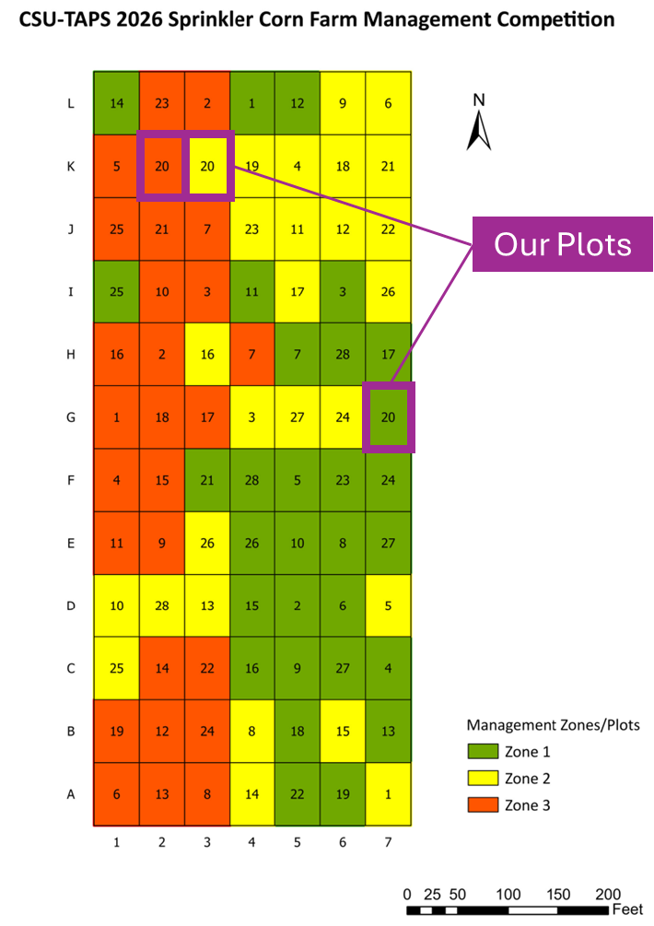
TAPS Fertilizer Calculations for 2026
Using CSU Corn Fert Guide | U of Minn. Fertigation Recommendations |  |  |  |  | UNL N Fert Pub

Assuminptions and Given Information |  |  |  |  | User input required
Plot Size (area) |  |  |  |  | Output cell
62.5 | Length (feet) |  |  |  | Do not change unless you are a researcher
45 | width (feet)
0.065 | acres
2812.5 | sq. ft.

Irrigation applied up until tassling (in.) - assuming to have occurred on July 25
6 | in. |  |  |  |  |  |  |  |  | corn basal N
10.8 | ppm N | <- from irrigation water |  |  |  |  |  |  |  | 236.6 | lb N/ac

Yield goal |  |  |  |  |  |  |  |  |  | 31% reduction for Donovan
168 | bu/ac |  |  |  |  |  |  |  |  | 163.254 | lb N/ac

Existing N and P calcs from fall N sampling (0-24")
50.944444444 | ppm N
0 | ppm P (NaHCO3 extraction)

Resulting fert. Requirements for all plots
1.2 | N to bu. Factor
2.4 | Organic matter (%)
129.208 | N lb/ac | <- total N needed minus existing soil N (CSU corn fert eq.)
40 banded / 80 broadcast | P lb/ac | <- total P needed based on CSU corn fert guide table 4

Please Note: Existing values are based on AJ's initial reccomendations. Subject to change
N Fert Applications (User defined)
Dry blend (Applied in late April) |  | Starter Fertilizer (cannot change)
30 | lbs N/ac | 2.5 | gallons of OptiStart Gold per acre (6N-20P-5K-2S-0.05Mn-0.1Zn)
40 | lbs P/ac | 11 | lbs/gal
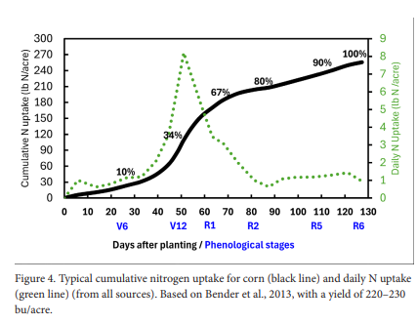
 |  | 1.65 | lbs/N/acre
 |  | 5.5 | lbs/P/acre

Irrigation N (prior to tassel) | =vol. of water * conc. |  | Remaining after
14.68 | lbs N/ac |  | 82.872986161 | lbs N/ac

Side Dress (50 lb increments) |  |  | Remaining after
75 | lbs N/ac |  | 7.8729861608 | lbs N/ac

Fertigation 1 (July 8, 2023) |  |  | Remaining after
30 | lbs N/ac |  | -22.127013839 | lbs N/ac

Fertigation 2 (Jul 30, 2025) |  |  | Remaining after
30 | lbs N/ac |  | -52.127013839 | lbs N/ac

Fertigation 3 (Aug 12, 2023) |  |  | Remaining after
10 | lbs N/ac |  | -62.127013839 | lbs N/ac

Total N Applied |  |  | Diff. from optimal
191.33 | lbs N/ac |  | 62.127013839 | lbs N/ac

 |  |  | Plot | Residual N | Side-dress N | Fertigation N | OptiStart N | Irrigation N to tasseling* | Projected total N availability at tasseling | Basal N target, 168 bu/ac | Donovan-adjusted target | Difference from adjusted target
 |  |  | 1 | 186.7 | 0 | 0 | 1.65 | 6 | 194.35 | 236.6 | 163.25 | 31.1
 |  |  | 2 | 53.3 | 75 | 10 | 1.65 | 6 | 145.95 | 236.6 | 163.25 | −17.30
 |  |  | 3 | 96 | 25 | 10 | 1.65 | 6 | 138.65 | 236.6 | 163.25 | −24.60

